Valuation
VANTLOGIX TECHNOLOGIES PRIVATE LIMITED - Venture Capital Method Valuation
INR:USD | 85.17
Precedent Transaction Analysis

Industry Name | Number of firms | Price/Sales | Net Margin | EV/Sales | Pre-tax Operating Margin |  |  |  | https://pages.stern.nyu.edu/~adamodar/New_Home_Page/datafile/psdata.html
Software (Entertainment) | 81.00 | 7.30 | 0.27 | 7.35 | 0.32
Software (Internet) | 29.00 | 7.01 | (0.03) | 7.59 | 0.02
Software (System & Application) | 333.00 | 11.20 | 0.23 | 11.54 | 0.29

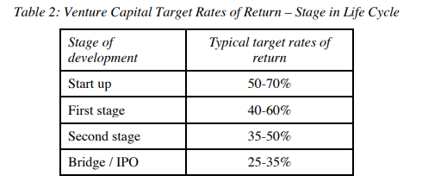
 |  |  | EV/Revenue Multiple
 |  | Industry Median | 11.5x

 |  |  | (In $ Mn)
 |  | ARR (60th Month) | 1.50
 |  | EV | 16

 |  | Discount Rate | 50%
 |  | Post Money Valuation | 2.05
 |  | Total Investment | 0.213
 |  | Pre Money Valuation | 1.8
 |  | Funding Round Stake sale | 10.38%

 |  | Sensitivity Analysis

 |  |  |  | Multiple
 |  |  | 2.05 | 9.54 | 10.54 | 11.54 | 12.54 | 13.54
 |  | Post Money Valuation | 40% | 2.90 | 2.90 | 2.90 | 2.90 | 2.90
 |  |  | 45% | 2.43 | 2.43 | 2.43 | 2.43 | 2.43
 |  |  | 50% | 2.05 | 2.05 | 2.05 | 2.05 | 2.05
 |  |  | 55% | 1.74 | 1.74 | 1.74 | 1.74 | 1.74
 |  |  | 60% | 1.49 | 1.49 | 1.49 | 1.49 | 1.49

 |  | Pre Money Valuation | 40% | 3 | 3 | 3 | 3 | 3
 |  |  | 45% | 2 | 2 | 2 | 2 | 2
 |  |  | 50% | 2 | 2 | 2 | 2 | 2
 |  |  | 55% | 2 | 2 | 2 | 2 | 2
 |  |  | 60% | 1 | 1 | 1 | 1 | 1

 |  | Funding Round Stake Sale | 40% | 7.35% | 7.35% | 7.35% | 7.35% | 7.35%
 |  |  | 45% | 8.76% | 8.76% | 8.76% | 8.76% | 8.76%
 |  |  | 50% | 10.38% | 10.38% | 10.38% | 10.38% | 10.38%
 |  |  | 55% | 12.23% | 12.23% | 12.23% | 12.23% | 12.23%
 |  |  | 60% | 14.33% | 14.33% | 14.33% | 14.33% | 14.33%

